Cargoes
Group | Name | Length | Width | Height | Weight | Qty | Price | SetRatio | Seq | FloorStackType | SupportsOthers | StackValue | MaxSupportingWeight | CargoStyle | Color | Orientations | TurnAllowedOnFloor | MaxLayer1 | MaxLayer2 | MaxLayer3 | MaxLayer4 | MaxLayer5 | MaxLayer6 | MaxLayersCountDifferentCargoes | UnitloadNumLayersRotatedOnPallet | UnitloadFlatTopOnPallet | UnitloadFillPatternBottom | UnitloadFillPatternTop | OverhangAllowed | OverhangLength | OverhangWidth | UnderhangAllowed | UnderhangLength | UnderhangWidth | Alias1 | Alias2 | PieceInside | Description | DeliveryPriorpty | BulgeLength | BulgeWidth | BulgeHeight | Palletized | PalletLength | PalletWidth | PalletMaxHeight | PalletThickness | PalletWeight | PalletMaxWeight | PalletColor | PalletType | PalletName | PalletPartialAllowed | PalletFlatTop | RemainQtyToMixPallet | RemainQtyToVehicle | PalletMaxStacksOnVehicle | PalletPatternOnVehicle | PalletDirOnVehicle
GC-051SO | SKU0001 | 733 | 933 | 846 | 1 | 22 | 462 | 1.2 | 6 | 1 | 0 | 0 | 0 | 0 | 0 | 3 | 1 | 3 | 3 | 4 | 4 | 3 | 3 | 1 | 2 | 1 | 9 | 3 | 1 | 10 | 10 |  |  |  | BATCH 1 | Alias2 | 5 | Description | 0 | 1.5 | 1.2 | 0.9 | 1 | 1000 | 800 | 1500 | 150 | 12.3 | 0 | 8388736 | 3 | GMA | 1 | 1 | 1 | 1 | 7 | 1 | 3
GC-151SO | SKU0002 | 570 | 806 | 802 | 1 | 26 | 560 | 1 | 0 | 0 | 1 | 2 | 0 | 0 | 0 | 3 | 1 | 3 | 3 | 4 | 4 | 3 | 3 | 0 | 2 | 1 | 3 | 3 | 1 | 10 | 10 |  |  |  | BATCH 1 | Alias2 | 5 | Description | 0 |  |  |  | 1 |  |  |  |  |  |  |  |  | GMA | 1 |  |  | 1 |  | 2 | 1
GR-051SX | VERY-LONG_NAME WILL BE ADJUSTED BY UPLOADING | 682 | 887 | 743 | 1 | 15 | 646 | 1 | 0 | 1 | 0 | 2 | 0 | 0 | 0 | 3 | 1 | 3 | 3 | 4 | 4 | 3 | 3 | 1 | 2 | 1 | 9 | 3 | 1 | 10 | 10 |  |  |  | BATCH 1 | Alias2 | 6 | Description | 0 |  |  |  | 1 |  |  |  |  |  |  |  |  | GMA | 1 |  |  | 1 |  | 3 | 2
GR-131SX | New Name | 834 | 571 | 802 | 1 | 31 | 532 | 0 | 0 | 1 | 1 | 2 | 0 | 0 | 0 | 3 | 1 | 3 | 3 | 4 | 4 | 3 | 3 | 0 | 2 | 1 | 9 | 3 | 1 | 10 | 10 |  |  |  | BATCH 1 | Alias2 | 6 | Description | 0 |  |  |  | 1 |  |  |  |  |  |  |  |  | GMA | 1 |  |  | 1 |  | 4 | 3
GR-182SX | SKU0005 | 436 | 731 | 473 | 1 | 20 | 644 | 0 | 0 | 1 | 0 | 3 | 0 | 0 | 0 | 3 | 0 | 0 | 0 | 0 | 0 | 0 | 0 |  | 2 | 1 | 9 | 3 | 1 | 10 | 10 |  |  |  | BATCH 1 | Alias2 | 7 | Description | 0 |  |  |  | 1 |  |  |  |  |  |  |  |  | GMA | 1 |  |  |  |  | 5
GC-151SO | NO SAME NAME ALLOWED | 935 | 590 | 896 | 1 | 20 | 563 | 1.2 | 0 | 1 | 0 | 3 | 0 | 0 | 0 | 3 | 0 | 0 | 0 | 0 | 0 | 0 | 0 |  | 2 | 1 | 9 | 9 | 1 | 10 | 10 |  |  |  | BATCH 2 | Alias2 | 0 | Description | 1 |  |  |  | 1 |  |  |  |  |  |  |  |  | CHEP | 1 | 1 | 1 | 0 | 3 | 0 | 3
GR-051SX | NO SAME NAME ALLOWED | 975 | 840 | 584 | 1 | 33 | 396 | 0 | 0 | 1 | 0 | 3 | 0 | 0 | 0 | 3 | 0 | 0 | 0 | 0 | 0 | 0 | 0 |  | 2 | 1 | 3 | 9 | 1 | 10 | 10 |  |  |  | BATCH 2 | Alias2 | 7 | Description | 0 |  |  |  | 1 |  |  |  |  |  |  |  |  | CHEP | 0
GR-131SX | SKU0008 | 929 | 420 | 999 | 1 | 13 | 823 | 0 | 0 | 1 | 0 | 0 | 0 | 0 | 0 | 63 | 1 | 0 | 0 | 0 | 0 | 0 | 0 |  | 2 | 1 | 3 | 9 | 1 | 10 | 10 |  |  |  | BATCH 2 | Alias2 | 0 | Description | 0 |  |  |  | 1 |  |  |  |  |  |  |  |  | CHEP | 1 | 1 | 1 | 0 | 3 | 0 | 3
GR-182SX | SKU0009 | 455 | 953 | 850 | 1 | 21 | 228 | 0 | 0 | 1 | 0 | 0 | 0 | 0 | 0 | 63 | 1 | 0 | 0 | 0 | 0 | 0 | 0 |  | 2 | 1 | 9 | 9 | 1 | 10 | 10 |  |  |  | BATCH 2 | Alias2 | 5 | Description | 1 |  |  |  | 1 |  |  |  |  |  |  |  |  | CHEP | 0 |  |  |  |  |  | 9
GC-051SO | SKU0010 | 585 | 926 | 887 | 1 | 32 | 976 | 0 | 0 | 1 | 0 | 0 | 0 | 0 | 0 | 63 | 1 | 0 | 0 | 0 | 0 | 0 | 0 |  | 2 | 1 | 9 | 9 | 1 | 10 | 10 |  |  |  | BATCH 3 | Alias2 | 4 | Description | 0 |  |  |  | 1 |  |  |  |  |  |  |  |  | CHEP | 1
GC-151SO | SKU0011 | 665 | 491 | 801 | 1 | 39 | 995 | 0 | 0 | 1 | 0 | 0 | 0 | 0 | 0 | 3 | 1 | 0 | 0 | 0 | 0 | 0 | 0 |  | 2 | 1 | 9 | 9 | 1 | 10 | 10 |  |  |  | BATCH 3 | Alias2 | 4 | Description | 0 |  |  |  | 1 |  |  |  |  |  |  |  |  | GMA | 1
GR-051SX | SKU0012 | 818 | 582 | 600 | 1 | 24 | 714 | 0 | 0 | 1 | 0 | 0 | 0 | 0 | 0 | 3 | 0 | 0 | 0 | 0 | 0 | 0 | 0 |  | 2 | 1 | 9 | 9 | 1 | 10 | 10 |  |  |  | BATCH 3 | Alias2 | 5 | Description | 1 |  |  |  | 1 |  |  |  |  |  |  |  |  | GMA | 1
GR-131SX | SKU0013 | 839 | 667 | 484 | 1 | 17 | 409 | 0 | 0 | 1 | 0 | 0 | 0 | 0 | 0 | 3 | 1 | 0 | 0 | 0 | 0 | 0 | 0 |  | 2 | 1 | 9 | 3 | 1 | 10 | 10 |  |  |  | BATCH 3 | Alias2 | 2 | Description | 1 |  |  |  | 1 |  |  |  |  |  |  |  |  | GMA | 1
GR-182SX | SKU0014 | 445 | 638 | 917 | 1 | 11 | 597 | 0 | 0 |  |  | 0 | 0 | 0 | 0 | 3 | 1 | 0 | 0 | 0 | 0 | 0 | 0 |  | 2 | 1 | 9 | 3 | 1 | 10 | 10 |  |  |  | BATCH 3 | Alias2 | 3 | Description | 0 |  |  |  | 1 |  |  |  |  |  |  |  |  | T-11 | 1

If this file is uploaded in CubeMaster, that will look like this.

Columns descriptions
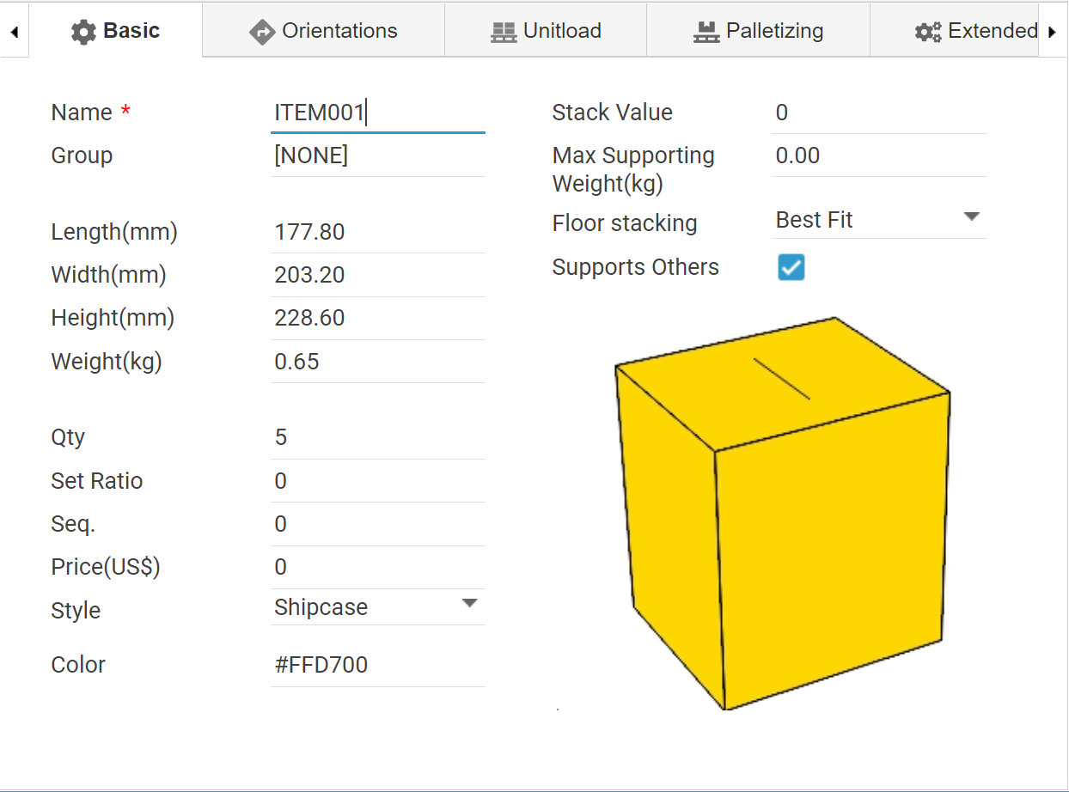
Columns | Description | Remark | Old Name
Group | Group name of the cargo. |  | GroupName
Name | Name of the cargo. | Required. | SKUName
Length | Length of the cargo. If blank, the size will be brought from the cargoes database. | Required.
Width | Width of the cargo. If blank, the size will be brought from the cargoes database. | Required.
Height | Height of the cargo. If blank, the size will be brought from the cargoes database. | Required.
Weight | Weight of the cargo.
Qty | Number of carton or order qty of the cargo. | Required.
SetRatio | Set ratio of the cargo. (E.g. 1.2) This attribute is utilized if the Simulation Type is the Set Load.
Seq | Loading sequence. The smaller value place the cargo earlier in the shipment.
Price | Price of the cargo in US$.
StackValue | A number for stacking this cargo. Utilized when the stacking rule 'Higher stack values are placed bottom first'.
FloorStackType | A number to present the floor stacking type of the cargo. The following numbers are available. Required if the floor stacking rule used. | New at 5/1/2019
 | 0 = Best Fit
 | 1 = Bottom Only
 | 2 = No Bottom
SupportsOthers | A number to present whether the cargo is allowed to support other cargoes or not. The following numbers are available. Required if the floor stacking rule used. | New at 5/1/2019
 | 0 = No
 | 1 = Yes
CargoStyle | A number to present the style of the cargo. The following numbers are available. Default value is 0 if not specified. | New at 10/5/2020
 | 0 = Shipcase
 | 1 = Palletload
 | 3 = Roll
MaxSupportingWeight | The weight allowed on top of the cargo. | New at 3/15/2019
Color | A number to present the color of cargo to be presented in the graphics which is in RGB format (E,g, .255 for red, 65280 for green). Or name of basic colors. See the Color Code tab for available values. | Color name added at 5/1/2019
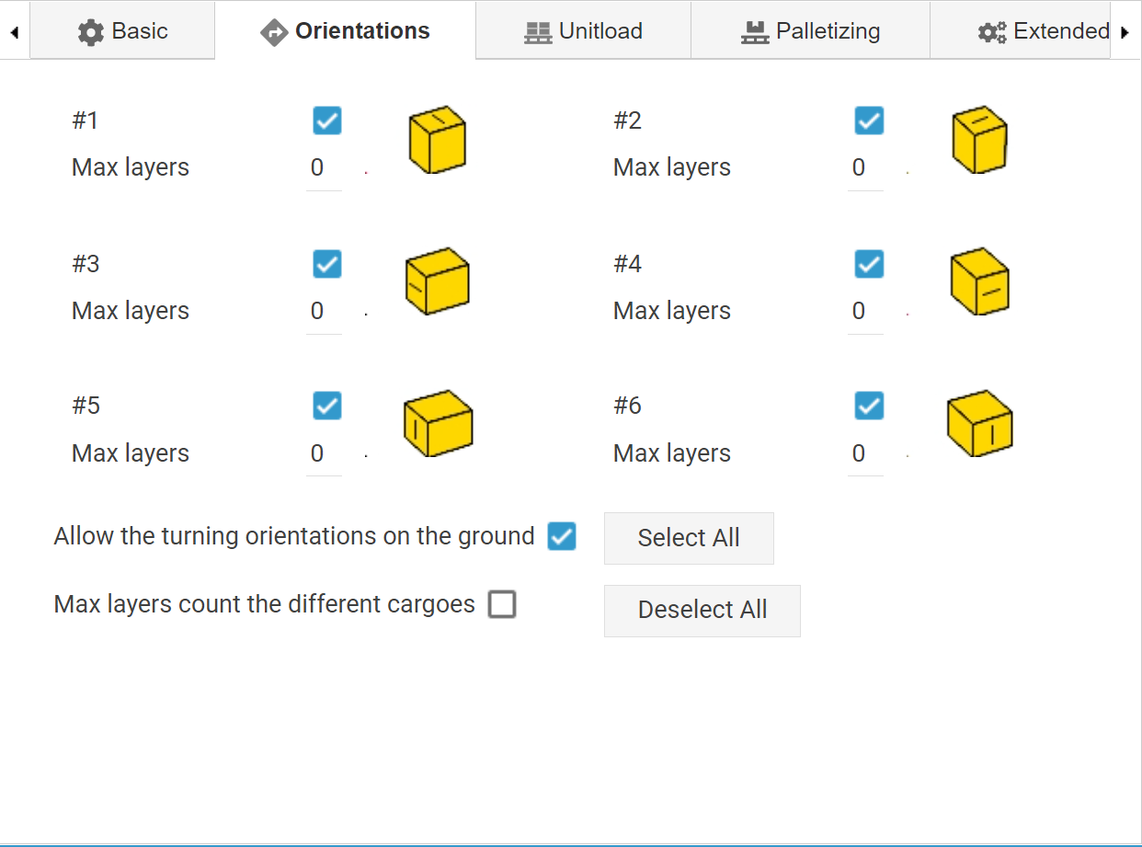
Orientations | A number to present the loading orientations permitted in the load. The following numbers are available. | Required. | Orientation
 | 1 = Permits orientation #1
 | 2 = Permits orientation #2
 | 3 = Permits orientation #1 and #2
 | 4 = Permits orientation #3
 | 8 = Permits orientation #4
 | 12 = Permits orientation #3 and #4
 | 16 = Permits orientation #5
 | 32 = Permits orientation #6
 | 48 = Permits orientation #5 and #6
 | 15 = Permits orientation #1,2,3,4
 | 60 = Permits orientation #3,4,5,6
 | 63 = Permits all orientations (#1,2,3,4,5,6)
TurnAllowedOnFloor | Tells the software the turning orientations (#3,4,5,6) of the cargo are allowed or not allowed on the floor of the container. 0 = Not allowed, 1 = Allowed. If not allowed with 0, the turning orientations will be placed on the top of the other orientations.
BottomMinLayer |  | New at 3/15/2019
MaxLayer1 | Max layers of orientation #1 |  | LoadDir1MaxLayer
MaxLayer2 | Max layers of orientation #2 |  | LoadDir2MaxLayer
MaxLayer3 | Max layers of orientation #3 |  | LoadDir3MaxLayer
MaxLayer4 | Max layers of orientation #4 |  | LoadDir4MaxLayer
MaxLayer5 | Max layers of orientation #5 |  | LoadDir5MaxLayer
MaxLayer6 | Max layers of orientation #6 |  | LoadDir6MaxLayer
MaxLayerOnNormalOrientation | A number to define the max layers when placed on the orientation #1 and #2. This value will change the MaxLayer1 and MaxLayer2 at the same time. | New at 5/1/2019
MaxLayerOnFlipOrientation | A number to define the max layers when placed on the orientation #3,4,5 and 6. This value will change the MaxLayer3, MaxLayer4, MaxLayer5 and MaxLayer6 at the same time. | New at 5/1/2019
MaxLayersCountDifferentCargoes | A number to present whether the Max Layer of each orientations of the cargo is counted on the Max Layers of the other cargoes. 0 = Not counted, 1 = Counted. | New at 9/21/2020
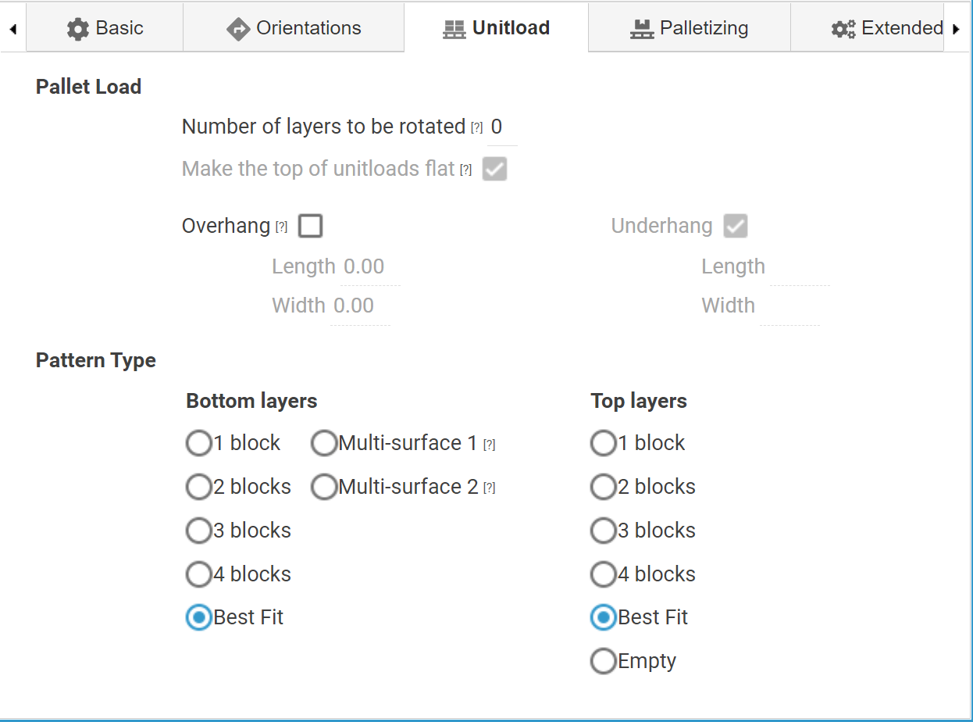
UnitloadNumLayersRotatedOnPallet | A number to define the # of layers of the same cargoes rotated against the bottom layers when placed on a pallet. This is available for a Pallet Load only. | New at 8/20/2020
UnitloadFlatTopOnPallet | Tells the software the top of the palletload is flat or not when it is full of same cargoes. 0 = Not Allowed, 1 = Allowed. If allowed with 1, the top of the unitload will be always flat even there are more spaces to be filled. This is available for a Pallet Load only. | New at 8/20/2020
OverhangAllowed | A number to present whether the overhang is allowed on the pallet. 0 = Not allowed, 1 = Allowed. | New at 6/9/2021
OverhangLength | Max overhang length of the pallet. | New at 6/9/2021
OverhangWidth | Max overhang width of the pallet. | New at 6/9/2021
UnitloadFillPatternBottom | Fill pattern of the bottom layers in the unitload. The following values are available. | New at 5/1/2019
 | 0 = 1 block
 | 1 = 2 blocks
 | 2 = 4 blocks
 | 4 = 3 blocks
 | 100 = Multi-Surface 1
 | 101 = Multi-Surface 2
 | 9 = Best Fit
UnitloadFillPatternTop | Fill pattern of the top layers in the unitload. The following values are available. | New at 5/1/2019
 | 0 = 1 block
 | 1 = 2 blocks
 | 2 = 4 blocks
 | 4 = 3 blocks
 | 104=None (Empty)
 | 9 = Best Fit
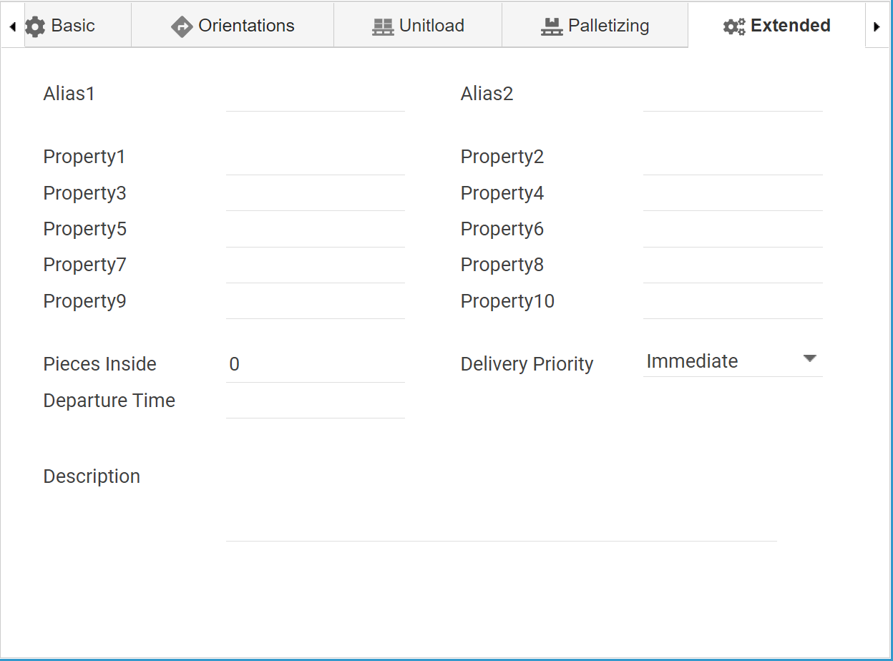
Alias1 | Alias 1 of the cargo.
Alias2 | Alias 2 of the cargo.
Property1 | The Property1 of the cargo.
Property2 | The Property2 of the cargo.
Property3 | The Property3 of the cargo.
Property4 | The Property4 of the cargo.
Property5 | The Property5 of the cargo.
Property6 | The Property6 of the cargo.
Property7 | The Property7 of the cargo.
Property8 | The Property8 of the cargo.
Property9 | The Property9 of the cargo.
Property10 | The Property10 of the cargo.
PieceInside | The number of pieces inside the shipping box if the cargo is a shipcase.
DeliveryPriority | The delivery priority of the cargo. The following numbers are available. | New at 10/5/2020
 | 0 = Immediate
 | 1 = Optional
Description | Description of the cargo.
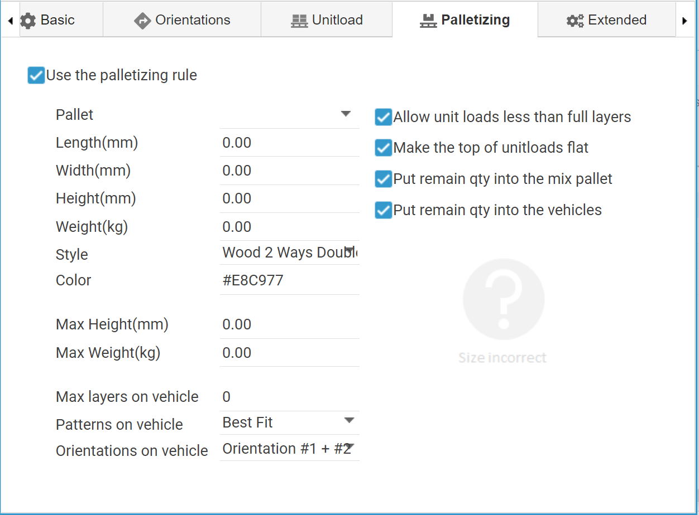
Palletized | A number to present whether the cargo is palletized before loading the vehicle or not. 0 = Not allowed, 1 = Allowed. | New at 3/15/2019
PalletLength | Length of the pallet for the palletizing. | New at 6/9/2021
PalletWidth | Width of the pallet for the palletizing. | New at 6/9/2021
PalletMaxHeight | Max height of the pallet for the palletizing. | New at 6/9/2021
PalletThickness | Height of the pallet for the palletizing. | New at 6/9/2021
PalletWeight | Weight of the pallet for the palletizing. | New at 6/9/2021
PalletMaxWeight | Max weight of the pallet for the palletizing. | New at 6/9/2021
PalletColor | Color of the pallet for the palletizing. | New at 6/9/2021
PalletType | Type of the pallet for the palletizing. The following numbers are available. | New at 6/9/2021
 | 0 = Wood2WaysDoube
 | 1 = Paper
 | 2 = Steel
 | 3= Slipsheet
 | 4 = Wood2WaysSingle
 | 5 = Wood4Ways
 | 6 = Bucket
PalletName | Name of the pallet for the palletizing. | New at 3/15/2019
PalletPartialAllowed | A number to present whether the unitload less than full layers is allowed when palletized. 0 = Not allowed, 1 = Allowed. | New at 3/15/2019
PalletFlatTop | A number to present whether the top of the unitload should be flat or not when palletized. 0 = Not allowed, 1 = Allowed. | New at 3/15/2019
RemainQtyToMixPallet | A number to present whether the reamining amount should be placed with others into a new pallet when palletized. 0 = Not allowed, 1 = Allowed. | New at 3/15/2019
RemainQtyToVehicle | A number to present whether the reamining amount should be placed with others into the vehicle (container or trucks) when palletized. 0 = Not allowed, 1 = Allowed. | New at 3/15/2019
PalletPatternOnVehicle | Filling pattern of the unitload in a vehicle. The following numbers are available. | New at 3/15/2019
 | 0 = 1 block | New at 3/15/2019
 | 1 = 2 blocks | New at 3/15/2019
 | 2 = 4 blocks | New at 3/15/2019
 | 4 = 3 blocks | New at 3/15/2019
 | 9 = Best Fit | New at 3/15/2019
PalletDirOnVehicle | A number to present the orientations permitted for the uniload in a vehicle. The following numbers are available.
 | 1 = Permits orientation #1
 | 2 = Permits orientation #2
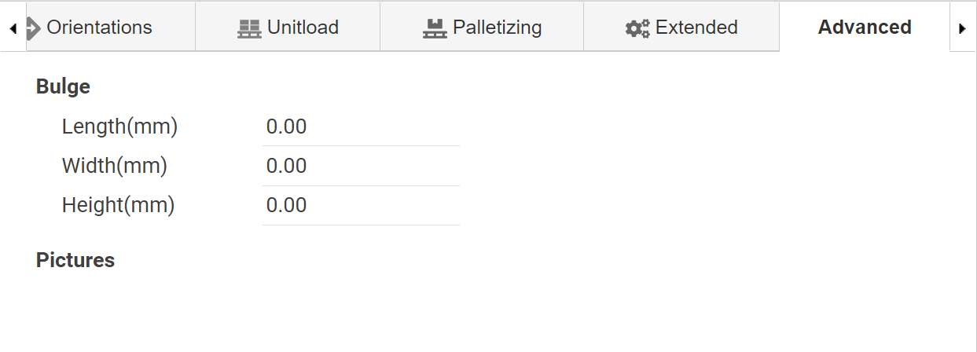
 | 3 = Permits orientation #1 and #2
BulgeLength | Length of the bulge of the cargo. | New at 10/5/2020
BulgeWidth | Width of the bulge of the cargo. | New at 10/5/2020
BulgeHeight | Height of the bulge of the cargo. | New at 10/5/2020

